Sheet1
9403 Pin | Digital IO Port | Current Function | Input/Output?
1 | DIO0 | RC Throttle | Input
2 | DIO1 | RC Turn | Input
3 | DIO2 | UNUSED
4 | DIO3 | UNUSED
5 | DIO4 | UNUSED
6 | DIO5 | UNUSED
7 | DIO6 | UNUSED
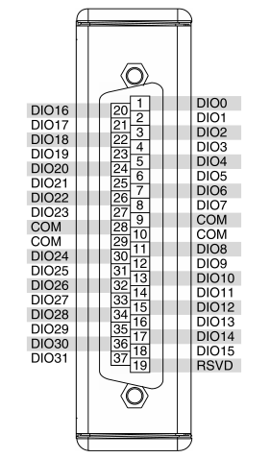
8 | DIO7 | Camera Servo | Output
9 | COM
10 | COM
11 | DIO8 | That was easy | Output
12 | DIO9 | Encoder Right B | Input
13 | DIO10 | Encoder Right A | Input
14 | DIO11 | Encoder Left B | Input
15 | DIO12 | Encoder Left A | Input
16 | DIO13 | UNUSED
17 | DIO14 | UNUSED
18 | DIO15 | UNUSED
19 | RESERVED
20 | DIO16 | Init LED | Output
21 | DIO17 | Safety LED | Output
22 | DIO18 | HB LED | Output
23 | DIO19 | Init Switch | Input
24 | DIO20 | Safety Switch | Input
25 | DIO21 | Go Button | Input
26 | DIO22 | LED1 | Output
27 | DIO23 | LED2 | Output
28 | COM
29 | COM
30 | DIO24 | LED3 | Output
31 | DIO25 | LED4 | Output
32 | DIO26 | LED5 | Output
33 | DIO27 | SW1 | Input
34 | DIO28 | SW2 | Input
35 | DIO29 | LED6 | Output
36 | DIO30 | LED7 | Output
37 | DIO31 | BTTN1 | Input

